Sheet1
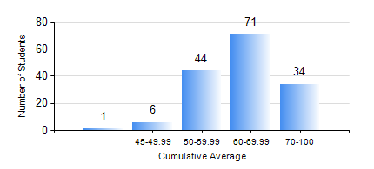
 |  |  | KWAME NKRUMAH UNIVERSITY OF SCIENCE AND TECHNOLOGY, KUMASI Department of Geomatic Engineering

 |  |  | BSC. GEOMATIC ENG.

 |  |  | COMPREHENSIVE RECORD OF EXAMINATION RESULTS

 |  |  | RESULTS OF YEAR 4 SECOND SEMESTER, 2023/2024 ACADEMIC YEAR

 | Sn | Course Code |  | Course Name | Credit Hours | Min. Mark | Max. Mark | Avg. Mark | Std. Dev. | No. Passed | No. Trailed | No. (Df) | No. (I) | No. (I*) | No. Tagged(I,I*,Df) | Total
 | 0. |  |  |  |  |  |  | 0 | 0 | 0 | 0 | 0 | 0 | 0 | 0 | 3
 | 1. | GE 292 |  | SURVEY CAMP/PRACTICAL TASK II | 3 | 52 | 67 | 57 | 8.66 | 3 | 0 | 0 | 0 | 0 | 0 | 3
 | 2. | GE 392 |  | PRACTICAL TASK III | 3 | 52 | 65 | 58 | 9.19 | 2 | 0 | 0 | 0 | 0 | 0 | 2
 | 3. | GE 464 |  | DATABASE SYSTEMS | 3 | 41 | 84 | 67 | 8.25 | 153 | 0 | 0 | 0 | 0 | 0 | 153
 | 4. | GE 472 |  | LAND LAW AND REGISTRATION | 3 | 24 | 93 | 63 | 13.64 | 148 | 5 | 0 | 0 | 0 | 0 | 153
 | 5. | GE 474 |  | PRINCIPLES OF VALUATION OF LAND AND BUILDING | 3 | 40 | 80 | 54 | 12.46 | 150 | 0 | 0 | 3 | 0 | 3 | 153
 | 6. | GE 476 |  | PROFESSIONAL STUDIES AND DEVELOPMENT | 3 | 25 | 90 | 63 | 15.5 | 145 | 8 | 0 | 0 | 0 | 0 | 153
 | 7. | GE 492 |  | PROJECT II | 4 | 55 | 91 | 77 | 6.61 | 153 | 0 | 0 | 0 | 0 | 0 | 153

